Site establishment
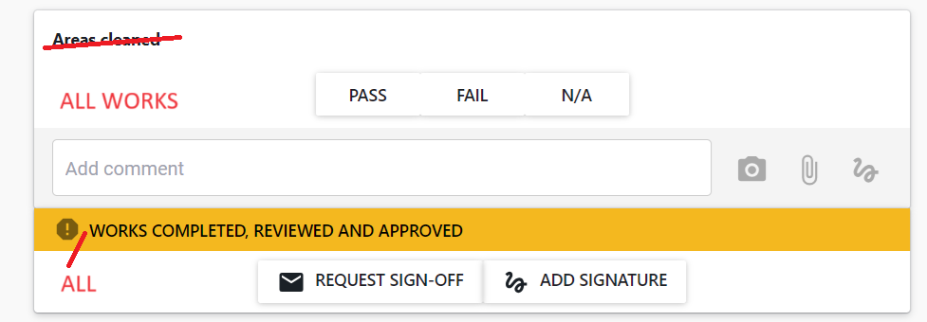
Site establishment
ACCESS | Site fencing | Pass/Fail/NA | pass/fail/na checklist for each item in column B with comment function
 | Secure Site entry | Pass/Fail/NA
 | Sign in facilities | Pass/Fail/NA
 | Scaffold access | Pass/Fail/NA
 | Scaffold safe tag | Pass/Fail/NA
 | Carpark exclusion zones | Pass/Fail/NA
SIGNAGE | Hazard board | Pass/Fail/NA
 | Site contact | Pass/Fail/NA
 | Emergency evacuation plan | Pass/Fail/NA
 | Wayfinding signage | Pass/Fail/NA
 | Site Office | Pass/Fail/NA
 | Lunchroom | Pass/Fail/NA
 | Noticeboard | Pass/Fail/NA
FACILITIES | Site Office | Pass/Fail/NA
 | Lunchroom | Pass/Fail/NA | 4599 Surrey Park Grandstand Strengthening Works
 | Toilet | Pass/Fail/NA
 | Waste management seperation | Pass/Fail/NA
 | Water connection | Pass/Fail/NA
 | Waste connection | Pass/Fail/NA
 | Power connection | Pass/Fail/NA
 | Data connection | Pass/Fail/NA
 | Printer/Scanner | Pass/Fail/NA
 | Fire Extinguisher | Pass/Fail/NA
 | First Aid Kit | Pass/Fail/NA
 | Plan Table | Pass/Fail/NA
DOCUMENTATION | Approved Site Specific Safety Plan | Pass/Fail/NA
 | Approved Construction Management Plan | Pass/Fail/NA
 | Approved Quality Assurance Management Plan | Pass/Fail/NA
 | Approved Building Consent Documents | Pass/Fail/NA
 | Contact List | Pass/Fail/NA
 | Procore documentation established | Pass/Fail/NA
 | Procore invitations issued | Pass/Fail/NA
 | CONQA checklists established | Pass/Fail/NA
DILAPIDATION SUREVEY | ROADINGS/ACCESS | Pass/Fail/NA
 | FENCING | Pass/Fail/NA
 | PAVING | Pass/Fail/NA
 | EXTERIOR SEATING | Pass/Fail/NA
 | NORTH ELEVATION | Pass/Fail/NA
 | EAST ELEVATION | Pass/Fail/NA
 | SOUTH ELEVATION | Pass/Fail/NA
 | WEST ELEVATION | Pass/Fail/NA
 | GRANDSTAND AREA | Pass/Fail/NA
 | EXISTING ATHLETICS STORAGE | Pass/Fail/NA
 | CHANGE ROOM 1 | Pass/Fail/NA
 | CHANGE ROOM 2 FEMALE/WC | Pass/Fail/NA
 | CHANGE ROOM 3 MALE | Pass/Fail/NA
 | STORAGE 1 | Pass/Fail/NA
 | STORAGE 2 | Pass/Fail/NA
 | STORAGE 3 | Pass/Fail/NA
 | SHOWERS/WC | Pass/Fail/NA
 | ACC BATHROOM | Pass/Fail/NA
 | CORRIDOR | Pass/Fail/NA
 | KITCHEN | Pass/Fail/NA
 | CLUBROOM | Pass/Fail/NA
 | BAR/KITCHEN | Pass/Fail/NA
 | MULTIUSE ROOM | Pass/Fail/NA
 | ELECTRICAL STORAGE ROOM | Pass/Fail/NA
COMMUNICATE | Salavage Football signage | Pass/Fail/NA
 | Hoardings around stored items | Pass/Fail/NA
 | Track lighting controls in kitchen | Pass/Fail/NA
 | PA System Speaker cabling | Pass/Fail/NA
 | Pedestrian walkway | Pass/Fail/NA
 | TMP plan/signage | Pass/Fail/NA
 | Demolition scope/marked | Pass/Fail/NA
 | Items to protect marked | Pass/Fail/NA

Request Signoff

